Symmetrical_TwoCell
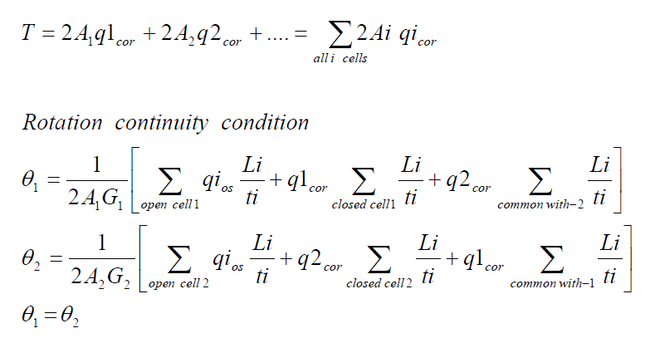
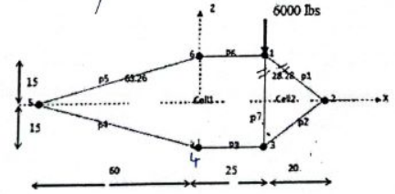
بسم الله الرحمن الرحيم
Redundant |  |  | Moment at Station 1 |  |  | Moment at Station 2 |  |  | Force in z-direction located at d from c.g. |  |  |  |  |  | Force in x-direction located at c from c.g. |  |  | Force in y-direction
A1(in^2) | 0.5 |  | Mx 1 | 600000 |  | Mx 2 | 300000 |  | Pz | -6000 |  | L | 10 |  | Px | 0 |  | Paxial | 0
A2(in^2) | 0.5 |  | Mz 1 | 0 |  | Mz 2 | 0 |  | d | 19.166666667 |  | t | 0.04 |  | c | 0 |  | ∆y | 50
 |  |  | Ty 1 | 0 |  | Ty 2 | 0
 |  |  |  | Vertical Web Length |  | Horizontal Web Length
E | 10700000 | Fcy | 40000 | a | 30 | b1 | 25 | b2 | 25 | b3 | 61.846584384
w | 1.2 | Eff | No
Set up a table to determine section Properties and determine stringer load P at each station
Station 1 (y = 0)
 |  | Origin located at 5 |  |  |  |  |  |  |  |  |  |  |  | For redundant stringers, set A_boom and A_eff =0
Stringer No. | Area(in^2) | x | z | A*x | A*z | X | Z | A*X^2 | A*Z^2 | A*X*Z | Stress | P | Paxial | A_boom | Comp/Ten | No. Sides | A_eff | a | b1 | b2 | b3
1 | 0.5 | 25 | 15 | 12.5 | 7.5 | 19.166666667 | 15 | 183.68055556 | 112.5 | 143.75 | -20000 | -10000 | 0 | 0.5 | C | 3 | 0.072 | 0 | 0 | 0 | 0
2 | 0.5 | 45 | 0 | 22.5 | 0 | 39.166666667 | 0 | 767.01388889 | 0 | 0 | 0 | 0 | 0 | 0.5 | CT | 1 | 0.524 | 0 | 1 | 0 | 0
3 | 0.5 | 25 | -15 | 12.5 | -7.5 | 19.166666667 | -15 | 183.68055556 | 112.5 | -143.75 | 20000 | 10000 | 0 | 0.5 | T | 0 | 1.2 | 1 | 1 | 1 | 0
4 | 0.5 | 0 | -15 | 0 | -7.5 | -5.8333333333 | -15 | 17.013888889 | 112.5 | 43.75 | 20000 | 10000 | 0 | 0.5 | T | 0 | 1.7369316877 | 0 | 0 | 1 | 1
5 | 0.5 | -60 | 0 | -30 | 0 | -65.833333333 | 0 | 2167.0138889 | 0 | 0 | 0 | 0 | 0 | 0.5 | CT | 1 | 1.2609316877 | 0 | 0 | 0 | 1
6 | 0.5 | 0 | 15 | 0 | 7.5 | -5.8333333333 | 15 | 17.013888889 | 112.5 | -43.75 | -20000 | -10000 | 0 | 0.5 | C | 2 | 0.048 | 0 | 0 | 0 | 0
7 | 0 | 0 | 0 | 0 | 0 | -5.8333333333 | 0 | 0 | 0 | 0 | 0 | 0 | 0 | 0 | C | Input | 0 | 0 | 0 | 0 | 0
8 | 0 | 0 | 0 | 0 | 0 | -5.8333333333 | 0 | 0 | 0 | 0 | 0 | 0 | 0 | 0 | C | Input | 0 | 0 | 0 | 0 | 0
 | ∑A |  |  | ∑Ax | ∑Az |  |  | Iz | Ix | Ixz |  | ∑P
 | 3 |  |  | 17.5 | 0 |  |  | 3335.4166667 | 450 | 0 |  | 0
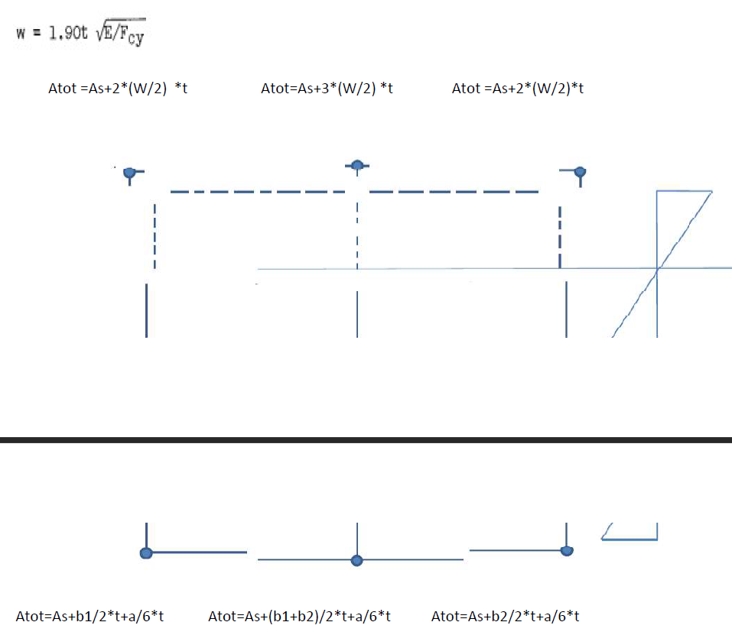
Location of c.g.: |  |  |  |  |  |  |  | Kxz | Kz | Kx
X_bar | 5.8333333333 |  |  |  |  |  |  | 0 | 0.0022222222222 | 0.00029981261711
Z_bar | 0 |  |  |  |  |  |  | B1 | B2
 |  |  |  |  |  |  |  | 0 | 1333.3333333
Station 2 (y = 10)
 |  | Origin located at 5
Stringer No. | Area(in^2) | x | z | A*x | A*z | X | Z | A*X^2 | A*Z^2 | A*X*Z | Stress | P | Paxial | A_boom | Comp/Ten | No. Sides | A_eff | a | b1 | b2 | b3
1 | 0.5 | 25 | 15 | 12.5 | 7.5 | 19.166666667 | 15 | 183.68055556 | 112.5 | 143.75 | -10000 | -5000 | 0 | 0.5 | C | 3 | 0.072 | 0 | 0 | 0 | 0
2 | 0.5 | 45 | 0 | 22.5 | 0 | 39.166666667 | 0 | 767.01388889 | 0 | 0 | 0 | 0 | 0 | 0.5 | CT | 1 | 0.524 | 0 | 1 | 0 | 0
3 | 0.5 | 25 | -15 | 12.5 | -7.5 | 19.166666667 | -15 | 183.68055556 | 112.5 | -143.75 | 10000 | 5000 | 0 | 0.5 | T | 0 | 1.2 | 1 | 1 | 1 | 0
4 | 0.5 | 0 | -15 | 0 | -7.5 | -5.8333333333 | -15 | 17.013888889 | 112.5 | 43.75 | 10000 | 5000 | 0 | 0.5 | T | 0 | 1.7369316877 | 0 | 0 | 1 | 1
5 | 0.5 | -60 | 0 | -30 | 0 | -65.833333333 | 0 | 2167.0138889 | 0 | 0 | 0 | 0 | 0 | 0.5 | CT | 1 | 1.2609316877 | 0 | 0 | 0 | 1
6 | 0.5 | 0 | 15 | 0 | 7.5 | -5.8333333333 | 15 | 17.013888889 | 112.5 | -43.75 | -10000 | -5000 | 0 | 0.5 | C | 2 | 0.048 | 0 | 0 | 0 | 0
7 | 0 | 0 | 0 | 0 | 0 | -5.8333333333 | 0 | 0 | 0 | 0 | 0 | 0 | 0 | 0 | C | Input | 0 | 0 | 0 | 0 | 0
8 | 0 | 0 | 0 | 0 | 0 | -5.8333333333 | 0 | 0 | 0 | 0 | 0 | 0 | 0 | 0 | C | Input | 0 | 0 | 0 | 0 | 0
 | ∑A |  |  | ∑Ax | ∑Az |  |  | Iz | Ix | Ixz |  | ∑P
 | 3 |  |  | 17.5 | 0 |  |  | 3335.4166667 | 450 | 0 |  | 0

Location of c.g.: |  |  |  |  |  |  |  | Kxz | Kz | Kx
X_bar | 5.8333333333 |  |  |  |  |  |  | 0 | 0.0022222222222 | 0.00029981261711
Z_bar | 0 |  |  |  |  |  |  | B1 | B2
 |  |  |  |  |  |  |  | 0 | 666.66666667
Shear Calculations
 |  |  | P2-P1
Stringer No. | P(y = 0) | P(y = 10) | ∆P | ∆q
1 | -10000 | -5000 | 5000 | 100
2 | 0 | 0 | 0 | 0
3 | 10000 | 5000 | -5000 | -100
4 | 10000 | 5000 | -5000 | -100
5 | 0 | 0 | 0 | 0
6 | -10000 | -5000 | 5000 | 100
7 | 0 | 0 | 0 | 0
8 | 0 | 0 | 0 | 0

Skin 2-1 and 3-1 are temporarily cut, then shear flow in those web should be zero.
Assuming counter-clockwise for the shear flow with 3-1 in the dirction of cell 1
 |  |  |  |  | x position |  |  |  |  | z position
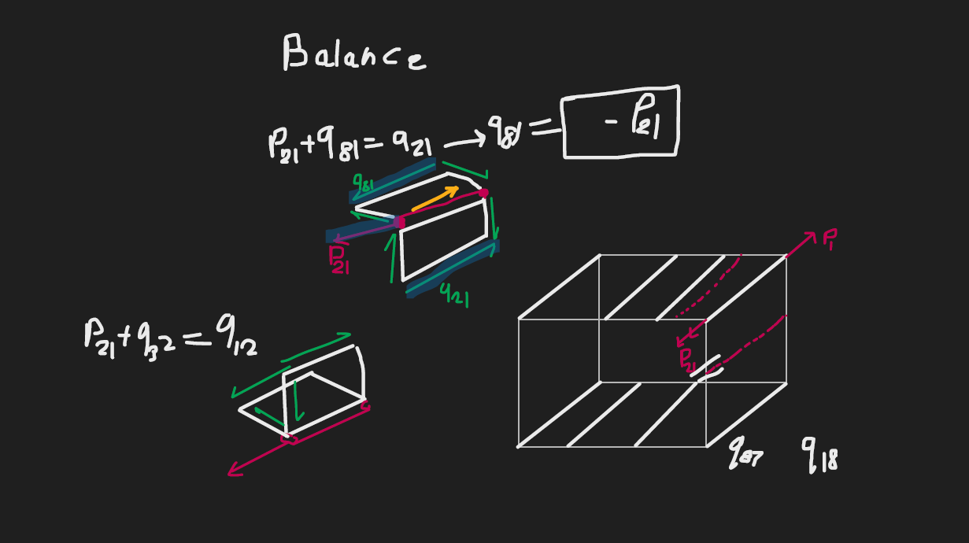
Web No. | Web Cut | Cell | qc(lbs/in) | Point 1 | Point 2 | Point 3 | dx | Vx | Point 1 | Point 2 | Point 3 | dz | Vz |  | A | 2A | Mc=qc*2A | L | t | L/t | qc*L/t |  |  | q_tot | Fx | Fz
Initial-Final |  |  |  | Ref | Final | Initial |  |  | Ref | Final | Initial
2-1 | Cut | 2 | 0 | 19.166666667 | 19.166666667 | 39.166666667 | -20 | 0 | 15 | 15 | 0 | 15 | 0 |  | 0 | 0 | 0 | 25 | 0.04 | 625 | 0 |  |  | 66.328268615 | -1326.5653723 | 994.92402922
3-2 |  | 2 | 0 | 19.166666667 | 39.166666667 | 19.166666667 | 20 | 0 | 15 | 0 | -15 | 15 | 0 |  | 300 | 600 | 0 | 25 | 0.04 | 625 | 0 |  |  | 66.328268615 | 1326.5653723 | 994.92402922
4-3 |  | 1 | -100 | 19.166666667 | 19.166666667 | -5.8333333333 | 25 | -2500 | 15 | -15 | -15 | 0 | 0 |  | 375 | 750 | -75000 | 25 | 0.04 | 625 | -62500 |  |  | 65.21304207 | 1630.3260518 | 0
5-4 |  | 1 | -200 | 19.166666667 | -5.8333333333 | -65.833333333 | 60 | -12000 | 15 | -15 | 0 | -15 | 3000 |  | 1087.5 | 2175 | -435000 | 61.846584384 | 0.04 | 1546.1646096 | -309232.92192 |  |  | -34.78695793 | -2087.2174758 | 521.80436895
6-5 |  | 1 | -200 | 19.166666667 | -65.833333333 | -5.8333333333 | -60 | 12000 | 15 | 0 | 15 | -15 | 3000 |  | 187.5 | 375 | -75000 | 61.846584384 | 0.04 | 1546.1646096 | -309232.92192 |  |  | -34.78695793 | 2087.2174758 | 521.80436895
7-6 |  | None | 0 | 19.166666667 | -5.8333333333 | -5.8333333333 | 0 | 0 | 15 | 15 | 0 | 15 | 0 |  | 0 | 0 | 0 | 15 | 0.04 | 375 | 0 |  |  | 0 | 0 | 0
8-7 |  | None | 0 | 19.166666667 | -5.8333333333 | -5.8333333333 | 0 | 0 | 15 | 0 | 0 | 0 | 0 |  | 0 | 0 | 0 | 0 | 0.04 | 0 | 0 |  |  | 0 | 0 | 0
1-6 |  | 1 | -100 | 19.166666667 | -5.8333333333 | 19.166666667 | -25 | 2500 | 15 | 15 | 15 | 0 | 0 |  | 0 | 0 | 0 | 25 | 0.04 | 625 | -62500 |  |  | 65.21304207 | -1630.3260518 | 0
3-1 | Cut | 12 | 0 | 19.166666667 | 19.166666667 | 19.166666667 | 0 | 0 | 15 | 15 | -15 | 30 | 0 |  | 0 | 0 | 0 | 30 | 0.04 | 750 | 0 |  |  | 98.884773455 | 0 | 2966.5432037
 |  |  |  |  |  |  |  | 0 |  |  |  |  | 6000 |  | ∑A | ∑2A | ∑Mc |  |  |  | ∑ | coef q1_cor | coef q2_cor |  | ∑ Fx | ∑ Fz
 |  |  |  |  |  |  |  | Balance |  |  |  |  | Balance | Cell 1 | 1650 | 3300 | -585000 |  |  |  | -743465.84384 | 5092.3292192 | -750 |  | 0 | 6000
 |  |  |  |  |  |  |  |  |  |  |  |  |  | Cell 2 | 300 | 600 | 0 |  |  |  | 0 | -750 | 2000 |  | Balance | Balance
Continuity Equation Coefficients
coef q1_cor | coef q2_cor | free term |  | Moment at
2.7931300664 | -3.5606060606 | 225.29267995 |  | X | Z
Tourque Balance Equation Coefficients |  |  |  | 19.166666667 | 15
coef q1_cor | coef q2_cor | free term |  | Pz*d | Px*c | T_external | ∑Mc_open
3300 | 600 | 585000 |  | 0 | 0 | 0 | -585000
Solving system of equations for q_cor
AX = B
A |  |  | A^(-1) |  |  | B |  | X(q_cor)
2.7931300664 | -3.5606060606 |  | 0.044689814567 | 0.00026520470766 |  | 225.29267995 |  | 165.21304207
3300 | 600 |  | -0.24579398012 | 0.00020804077455 |  | 585000 |  | 66.328268615

